Alloy #1
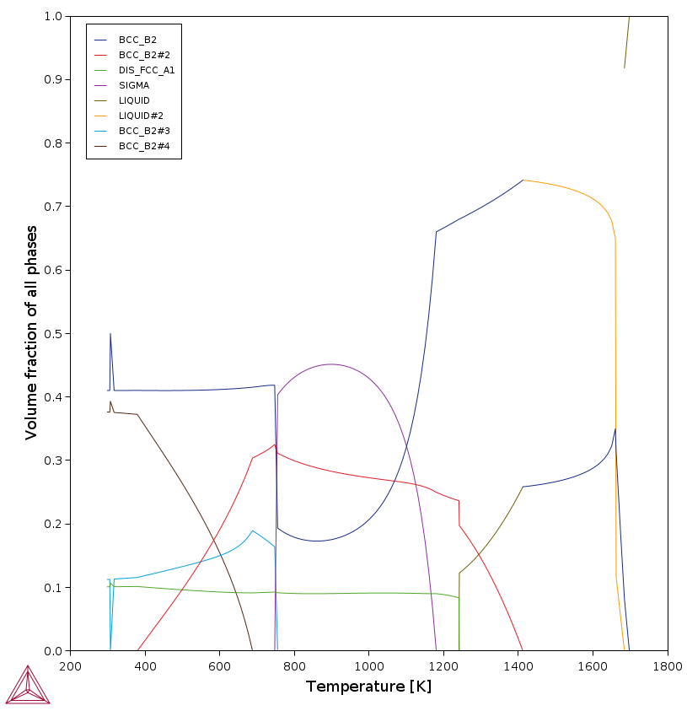
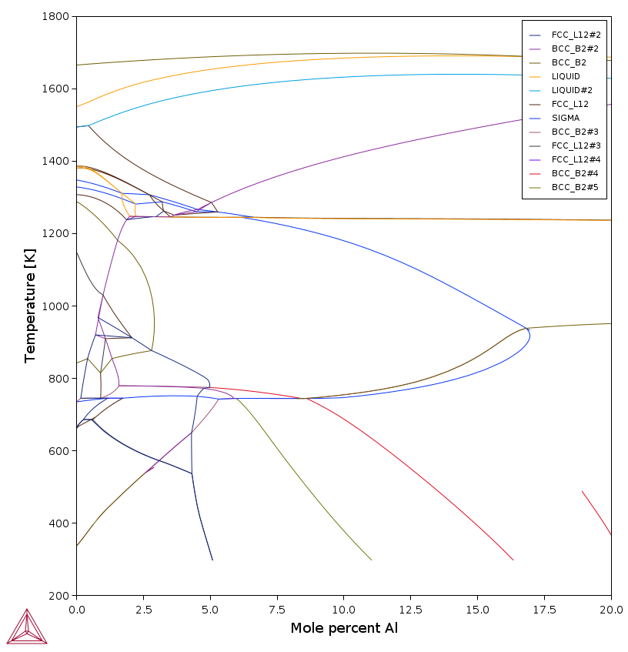
Quantities
Entropy of the system | 24.547621102 | [J/molK]
Enthalpy of the system | -17134.417843 | [J/mol]
Gibbs energy of the system | -24449.608931 | [J]

System
Moles | 0.99999999996
Mass | 52.782899998 | [g]
Temperature | 298 | [K]
Total Gibbs Energy | -24449.608931 | [J]
Enthalpy | -17134.417843 | [J]
Volume | 7.0428692729E-06 | [m³]

Component | Mole Fraction | Mass Fraction | Activity | Potential
Al | 0.1 | 0.051118828258 | 3.0902849515E-21 | -117013.05127
Co | 0.1 | 0.11165169023 | 3.904901404E-07 | -36560.95589
Cr | 0.39999999997 | 0.39403670504 | 0.0589187651 | -7015.9124351
Cu | 0.10000000002 | 0.12039126311 | 0.018546176864 | -9879.9035825
Ni | 0.1 | 0.11119131385 | 5.1543024356E-07 | -35873.141556
Fe | 0.2 | 0.21161019951 | 0.031687445763 | -8552.6936341

Stable Phases
 | Moles | Mass | Volume Fraction
BCC_B2#1 | 0.39998034575 | 20.797449403 | 0.4101340349

Composition
Component | Mole Fraction | Mass Fraction
Cr | 0.9999536818 | 0.99995025148
Fe | 4.6318028083E-05 | 4.9748327576E-05
Co | 1.7004213333E-10 | 1.9272749186E-10
Al | 3.5623291225E-12 | 1.8485736335E-12
Cu | 1E-12 | 1.2221282792E-12
Ni | 1E-12 | 1.1287368002E-12

 | Moles | Mass | Volume Fraction
BCC_B2#2 | 0.11140058467 | 6.1350812952 | 0.11251959972

Composition
Component | Mole Fraction | Mass Fraction
Fe | 0.91623295655 | 0.92912234752
Co | 0.05126688744 | 0.054860864733
Al | 0.032295703448 | 0.01582289823
Cr | 0.00019741057338 | 0.00018638351305
Ni | 7.0258228227E-06 | 7.4873554553E-06
Cu | 1.6163357463E-08 | 1.86503482E-08

 | Moles | Mass | Volume Fraction
BCC_B2#4 | 0.38859088808 | 19.495700042 | 0.37633385562

Composition
Component | Mole Fraction | Mass Fraction
Ni | 0.25733785927 | 0.30103817459
Co | 0.24264294811 | 0.28502306245
Fe | 0.251968303 | 0.28047847545
Al | 0.24796043474 | 0.13335530763
Cu | 4.879430354E-05 | 6.1803222517E-05
Cr | 4.1660574979E-05 | 4.3176652984E-05

 | Moles | Mass | Volume Fraction
FCC_L12#1 | 0.10002818146 | 6.3546692574 | 0.10101250976

Composition
Component | Mole Fraction | Mass Fraction
Cu | 0.99952869022 | 0.99979947538
Al | 0.00047060945448 | 0.00019987763742
Ni | 7.0027562163E-07 | 6.4693781715E-07
Fe | 4.9884332274E-11 | 4.3852406729E-11
Co | 1E-12 | 9.2765816427E-13
Cr | 1E-12 | 8.1846357574E-13

